TIMBERLAND
 | ART | GENDER | MODEL DESCRIPTION | COLOR | SIZE US | SIZE EU | AVAILABLE | WHS | RTL | TOT WHS €
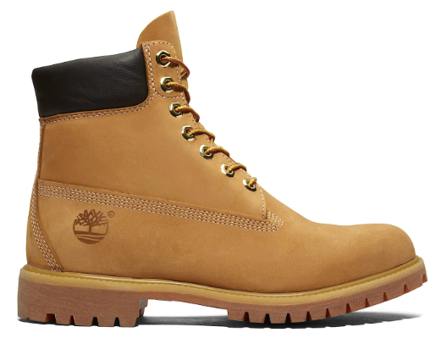 | TB1100617131 | Man | PREMIUM 6 INCH LACE UP WATERPROOF | WHEAT | 7 | 40 | 360 | 104.60 € | 230.00 € | 37,656.00 €
 | TB1100617131 | Man | PREMIUM 6 INCH LACE UP WATERPROOF | WHEAT | 7.5 | 41 | 360 | 104.60 € | 230.00 € | 37,656.00 €
 | TB1100617131 | Man | PREMIUM 6 INCH LACE UP WATERPROOF | WHEAT | 8 | 41.5 | 360 | 104.60 € | 230.00 € | 37,656.00 €
 | TB1100617131 | Man | PREMIUM 6 INCH LACE UP WATERPROOF | WHEAT | 8.5 | 42 | 360 | 104.60 € | 230.00 € | 37,656.00 €
 | TB1100617131 | Man | PREMIUM 6 INCH LACE UP WATERPROOF | WHEAT | 9 | 43 | 360 | 104.60 € | 230.00 € | 37,656.00 €
 | TB1100617131 | Man | PREMIUM 6 INCH LACE UP WATERPROOF | WHEAT | 9.5 | 43.5 | 360 | 104.60 € | 230.00 € | 37,656.00 €
 | TB1100617131 | Man | PREMIUM 6 INCH LACE UP WATERPROOF | WHEAT | 10 | 44 | 360 | 104.60 € | 230.00 € | 37,656.00 €
 | TB1100617131 | Man | PREMIUM 6 INCH LACE UP WATERPROOF | WHEAT | 10.5 | 44.5 | 360 | 104.60 € | 230.00 € | 37,656.00 €
 | TB1100617131 | Man | PREMIUM 6 INCH LACE UP WATERPROOF | WHEAT | 11 | 45 | 360 | 104.60 € | 230.00 € | 37,656.00 €
 | TB1100617131 | Man | PREMIUM 6 INCH LACE UP WATERPROOF | WHEAT | 11.5 | 45.5 | 360 | 104.60 € | 230.00 € | 37,656.00 €
 | TB1100617131 | Man | PREMIUM 6 INCH LACE UP WATERPROOF | WHEAT | 12 | 46 | 360 | 104.60 € | 230.00 € | 37,656.00 €
 |  |  |  | TOT MAN |  |  | 3960 |  |  | 414,216.00 €

 | ART | GENDER | MODEL DESCRIPTION | COLOR | SIZE US | SIZE EU | AVAILABLE | WHS | RTL | TOT WHS €
 | TB1103617131 | Woman | TIMBERLAND PREMIUM 6 INCH LACE UP WATERPROOF BOOT WHEAT | WHEAT | 6 | 37 | 360 | 104.60 € | 230.00 € | 37,656.00 €
 | TB1103617131 | Woman | TIMBERLAND PREMIUM 6 INCH LACE UP WATERPROOF BOOT WHEAT | WHEAT | 6.5 | 37.5 | 360 | 104.60 € | 230.00 € | 37,656.00 €
 | TB1103617131 | Woman | TIMBERLAND PREMIUM 6 INCH LACE UP WATERPROOF BOOT WHEAT | WHEAT | 7 | 38 | 360 | 104.60 € | 230.00 € | 37,656.00 €
 | TB1103617131 | Woman | TIMBERLAND PREMIUM 6 INCH LACE UP WATERPROOF BOOT WHEAT | WHEAT | 7.5 | 38.5 | 360 | 104.60 € | 230.00 € | 37,656.00 €
 | TB1103617131 | Woman | TIMBERLAND PREMIUM 6 INCH LACE UP WATERPROOF BOOT WHEAT | WHEAT | 8 | 39 | 360 | 104.60 € | 230.00 € | 37,656.00 €
 | TB1103617131 | Woman | TIMBERLAND PREMIUM 6 INCH LACE UP WATERPROOF BOOT WHEAT | WHEAT | 8.5 | 39.5 | 360 | 104.60 € | 230.00 € | 37,656.00 €
 |  |  |  | TOT WOMAN |  |  | 2160 |  |  | 225,936.00 €

 |  |  | TOT |  |  |  | 6120 |  |  | 640,152.00 €

